Price and Return
 | Price |  | Returns |  | Discrete return | 0.9839101265 | =B4/B3
Date | WMT | TGT | WMT | TGT | Continuous return | -0.016220720962 | =LN(B4/B3)
2014-04-01 | 67.50 | 47.99 | -0.016220720962 | 0.028108749044
2014-05-01 | 66.41 | 49.36 | -0.020047809473 | 0.027907069644 |  | WMT | TGT
2014-06-01 | 65.09 | 50.76 | 0.025759090416 | 0.0080227282658 | Monthly mean | 0.69% | 0.88% | =AVERAGE(F3:F61)
2014-07-01 | 66.79 | 51.17 | 0.019332437782 | 0.051506759161 | Monthly variance | 0.0029 | 0.0044 | =VAR.P(F3:F61)
2014-08-01 | 68.10 | 53.87 | -0.0026187184196 | -0.013815501995 | Monthly standard deviation | 5.35% | 6.64% | =SQRT(J6)
2014-09-01 | 67.92 | 53.13 | 0.13781606465 | 0.17983827566
2014-10-01 | 77.95 | 63.60 | -0.019144932912 | 0.033144967475 | Annual mean | 8.31% | 10.58% | =12*J5
2014-11-01 | 76.48 | 65.74 | -0.0049638525913 | -0.030767534722 | Annual variance | 0.0344 | 0.0529 | =12*J6
2014-12-01 | 76.10 | 63.75 | -0.012432642887 | 0.042814515219 | Monthly standard deviation | 18.55% | 22.99% | =SQRT(J10)
2015-01-01 | 75.16 | 66.54 | -0.020220019685 | 0.072764764222
2015-02-01 | 73.65 | 71.56 | -0.046425122854 | -0.040278791662 | Covariance | 0.00098588689927 | =COVAR(E3:E61,F3:F61)
2015-03-01 | 70.31 | 68.74 | -0.049642833132 | 0.0061967930834 | Correlation | 0.2774777924 | =CORREL(E3:E61,F3:F61)
2015-04-01 | 66.91 | 69.17 | -0.039721926405 | 0.035349865312
2015-05-01 | 64.30 | 71.65 | 0.014694774498 | 0.0026915949314
2015-06-01 | 65.25 | 71.85 | -0.10616362213 | -0.05010417797
2015-07-01 | 58.68 | 68.34 | 0.0085029417025 | 0.017433120392
2015-08-01 | 59.18 | 69.54 | -0.12466958285 | -0.018994588453
2015-09-01 | 52.24 | 68.23 | 0.027568887423 | -0.062553848055
2015-10-01 | 53.71 | 64.09 | 0.040957917812 | 0.0093367161474
2015-11-01 | 55.95 | 64.69 | 0.087656050265 | -0.0026206922215
2015-12-01 | 61.08 | 64.52 | -0.00030171753816 | 0.079978986837
2016-01-01 | 61.06 | 69.90 | 0.031894803709 | 0.055930117915
2016-02-01 | 63.04 | 73.92 | -0.016561578402 | -0.034370960965
2016-03-01 | 62.00 | 71.42 | 0.056826099285 | -0.14484425999
2016-04-01 | 65.63 | 61.79 | 0.038451975088 | 0.02261656346
2016-05-01 | 68.20 | 63.20 | -0.00068509600055 | 0.075957722741
2016-06-01 | 68.15 | 68.19 | -0.021190298085 | -0.070672645519
2016-07-01 | 66.72 | 63.54 | 0.01629559736 | -0.013801647735
2016-08-01 | 67.82 | 62.67 | -0.029550497907 | 0.00072771417337
2016-09-01 | 65.84 | 62.71 | 0.0058381356156 | 0.11673156505
2016-10-01 | 66.23 | 70.48 | -0.018774926804 | -0.05861712783
2016-11-01 | 65.00 | 66.46 | -0.027908117276 | -0.11350031166
2016-12-01 | 63.21 | 59.33 | 0.060889298603 | -0.092723499651
2017-01-01 | 67.18 | 54.08 | 0.016082955588 | -0.053679656313
2017-02-01 | 68.27 | 51.25 | 0.049434513805 | 0.011887828236
2017-03-01 | 71.73 | 51.87 | 0.044486540672 | -0.012612814024
2017-04-01 | 74.99 | 51.22 | -0.031188061185 | -0.042440681704
2017-05-01 | 72.69 | 49.09 | 0.055387803143 | 0.080439705574
2017-06-01 | 76.83 | 53.20 | -0.024295893097 | -0.038493722684
2017-07-01 | 74.98 | 51.19 | 0.0071666821983 | 0.090159292224
2017-08-01 | 75.52 | 56.02 | 0.11096283648 | 0.00050840402496
2017-09-01 | 84.38 | 56.05 | 0.10761438678 | 0.014461351875
2017-10-01 | 93.97 | 56.86 | 0.015512010753 | 0.095867318883
2017-11-01 | 95.44 | 62.59 | 0.081748530384 | 0.14219115058
2017-12-01 | 103.57 | 72.15 | -0.1691627132 | 0.0025227347906
2018-01-01 | 87.45 | 72.33 | -0.011621474659 | -0.074396832952
2018-02-01 | 86.44 | 67.15 | 0.00019548742672 | 0.044645902915
2018-03-01 | 86.46 | 70.21 | -0.069267524841 | 0.0039864074558
2018-04-01 | 80.67 | 70.49 | 0.043266421777 | 0.051900833714
2018-05-01 | 84.24 | 74.25 | 0.040948099154 | 0.058179647273
2018-06-01 | 87.76 | 78.69 | 0.07167147505 | 0.081148059513
2018-07-01 | 94.28 | 85.35 | -0.01476062515 | 0.015911252813
2018-08-01 | 92.90 | 86.72 | 0.065629397421 | -0.053318059715
2018-09-01 | 99.20 | 82.21 | -0.026576648635 | -0.16428598301
2018-10-01 | 96.60 | 69.76 | -0.047178541472 | -0.062837504727
2018-11-01 | 92.15 | 65.51 | 0.033806920706 | 0.099442031759
2018-12-01 | 95.32 | 72.36 | 0.03244298448 | -0.0049437774548
2019-01-01 | 98.46 | 72.00 | -0.014858820294 | 0.10858089604
2019-02-01 | 97.01 | 80.26 | 0.045856019795 | 0.00583890081
2019-03-01 | 101.56 | 80.73

Two-Asset portfolio problem
Two-Asset portfolio problem
 | Mean | Sigma
Asset1 | 6% | 11%
Asset2 | 10% | 20%
Corr | 0.2
Covar | 0.0044 | =B5*C4*C3

One portfolio
% of Asset1 | 25%
Mean | 9.00% | =B9*B3+(1-B9)*B4
Variance | 0.024906 | =B9^2*C3^2+(1-B9)^2*C4^2+2*B9*(1-B9)*B6
Sigma | 0.15781714102 | =SQRT(B11)

% of Asset1 | Sigma(p) | Mean(p) | X LHS | Y RHS
15.78% | 9.00%
29.40% | 12.00%
25.55% | 11.20%
21.81% | 10.40%
18.25% | 9.60%
15.01% | 8.80%
12.34% | 8.00%
10.67% | 7.20%
10.48% | 6.40%
11.86% | 5.60%
14.36% | 4.80%
17.50% | 4.00%
-50% | 29.40% | 12.00%
-30% | 25.55% | 11.20%
-10% | 21.81% | 10.40%
10% | 18.25% | 9.60%
30% | 15.01% | 8.80%
50% | 12.34% | 8.00%
70% | 10.67% | 7.20%
90% | 10.48% | 6.40%
110% | 11.86% | 5.60%
130% | 14.36% | 4.80%
150% | 17.50% | 4.00%

Matrix
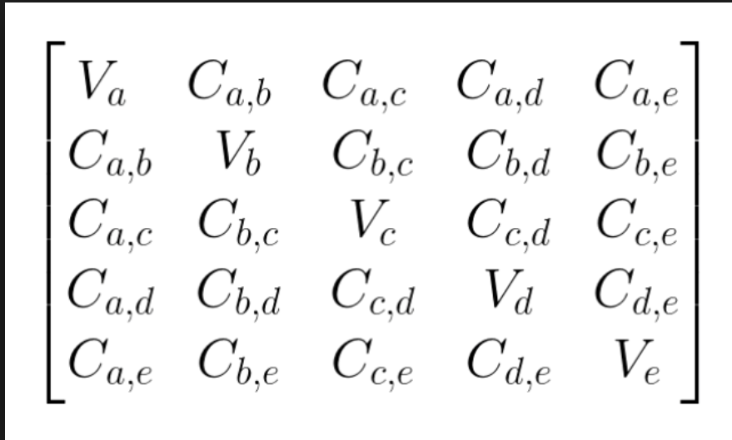
Row vector
1 | 2 | 3 | 4

Column vector
1
2
3
4
Method 1
Row*Column | 30 | {=SUMPRODUCT(TRANSPOSE(A2:D2),A5:A8)}
Method 2
Row*Column | 30 | {=MMULT(A2:D2,A5:A8)}

Matrix |  |  |  | Col.Vec
1 | 2 | 3 |  | 1 |  | Row 1 * Column |  | 14
4 | 5 | 6 |  | 2 |  | Row 2 * Column |  | 32
7 | 8 | 9 |  | 3 |  | Row 3 * Column |  | 50

Row.Vec |  |  |  | Matrix
1 | 2 | 3 |  | 1 | 2 | 3 |  | Row * Column 1 | Row * Column 2 | Row * Column 3 | 30 | 36 | 42
 |  |  |  | 4 | 5 | 6
 |  |  |  | 7 | 8 | 9

Col.Vetor |  | Variance,Covariance Matrix |  |  |  | Row.Vector
10% |  |  |  |  |  | 10% | 40% | 50%
40% |  |  |  |  |  |  |  |  | ----> | Variance of portfolio
50%

Unit matrix/identity matrix |  |  |  | Col.Vec
1 | 0 | 0 |  | 1 |  | 1 | {=MMULT(A31:C33,E31:E33)}
0 | 1 | 0 |  | 2 |  | 2
0 | 0 | 1 |  | 3 |  | 3

Matrix |  |  |  | Inverse matrix |  |  |  | Check: matrix * inverse matrix
1 | 2 | 3 |  | 0.5 | -1 | 0.5 |  | 1 | 0 | 0
3 | 5 | 6 |  | -2.5 | 2 | -0.5 |  | 0 | 1 | 0
7 | 8 | 9 |  | 1.8333333333 | -1 | 0.16666666667 |  | 0 | 0 | 1

Matrix * inverse matrix = unit matrix

2 | 4 | 5 |  | -0.14285714286 | 0.071428571429 | 0.21428571429 |  | 1 | 0 | 0
3 | 5 | 4 |  | -0.33333333333 | 0.5 | -0.16666666667 |  | 0 | 1 | 0
5 | 1 | 2 |  | 0.52380952381 | -0.42857142857 | 0.047619047619 |  | 0 | 0 | 1

Var-Cov
Variance-covariance, S |  |  |  | Mean returns | Port1 | Port2
0.10 | 0.01 | 0.03 | 0.05 | 6% | 25% | 5% | F5
0.01 | 0.30 | 0.06 | -0.04 | 8% | 25% | 15%
0.03 | 0.06 | 0.40 | 0.02 | 10% | 25% | 25%
0.05 | -0.04 | 0.02 | 0.50 | 15% | 25% | 55%

 | Mean | Variance
Port1 | 9.75% | 9.75% | {=MMULT(MMULT(TRANSPOSE(Port1),VarCor),Port1)}
Port2 | 12.25% | 19.03% | {=MMULT(MMULT(TRANSPOSE(Port2),VarCor),Port2)}
Cov(1,2) | 0.1195 | {=MMULT(MMULT(TRANSPOSE(Port1),VarCor),Port2)} |  |  |  | order is does not matter

Sample portfolio calculation
% of port1 | 0%
% of port2 | 100%
Mean | 12.25%
Variance | 19.03%
Sigma | 43.62%

 | Sigma | Mean
 | 0.44 | 0.123
-50% | 0.5227810249 | 0.135
-20% | 0.46965093421 | 0.1275
10% | 0.42027134092 | 0.12
40% | 0.37612232053 | 0.1125
70% | 0.33925211864 | 0.105
100% | 0.31224989992 | 0.0975
130% | 0.29781202125 | 0.09
160% | 0.29777172465 | 0.0825
190% | 0.31213458636 | 0.075
220% | 0.3390752129 | 0.0675
250% | 0.37589892258 | 0.06

